Workflow PCB
Flowchart Workflow PCB Store management system

Q'TY UNIT
Detect --> System [IN / OUT]

Mizu PCB
OUTPUT_SMT = INPUT_PCB
EX. 1

INPUT
IN= 100 unit



PCB board
PCB board

NG can't repair

NG can repair
INPUT AOI

Mizu PCB
Mizu PCB
PCB process

OUT
INPUT
OUT= 100 unit --> OK

INPUT

OUT= 101 unit --> NG --> Alarm

OK
Repair
SCRAP Store
EX. 2
INPUT
IN= 100 unit

Out

OUTPUT
0

INPUT AOI

OUT
OUT= 100 unit --> OK

INPUT
IN= 101 unit --> NG --> Alarm
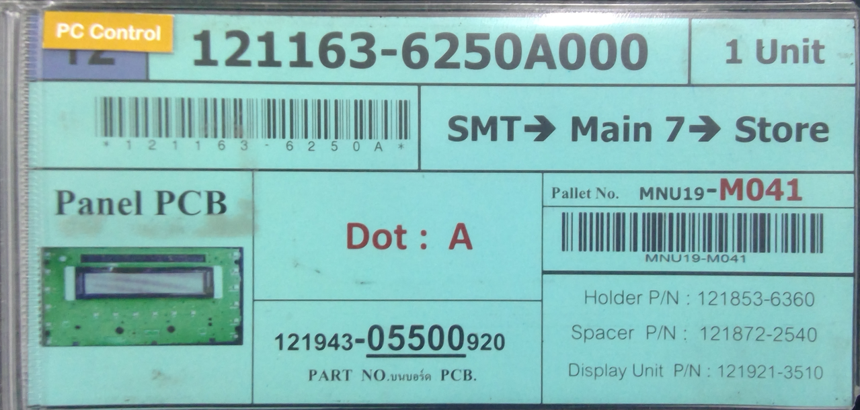

INPUT

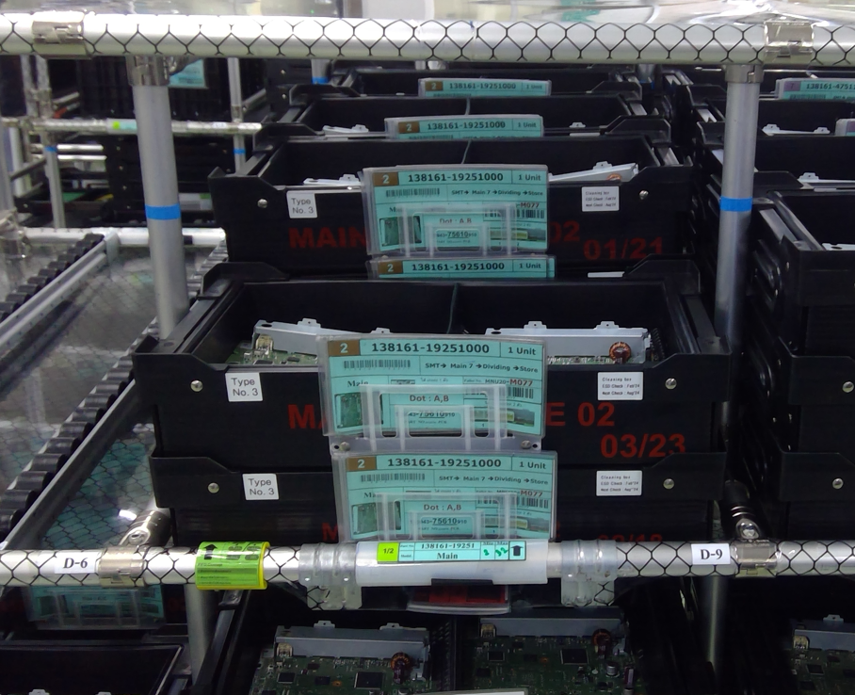

AOI Store
Mizu PCB
PCB FG Store

OUTPUT

Mizu WH

Concept PCB
Login_ System
User/Password

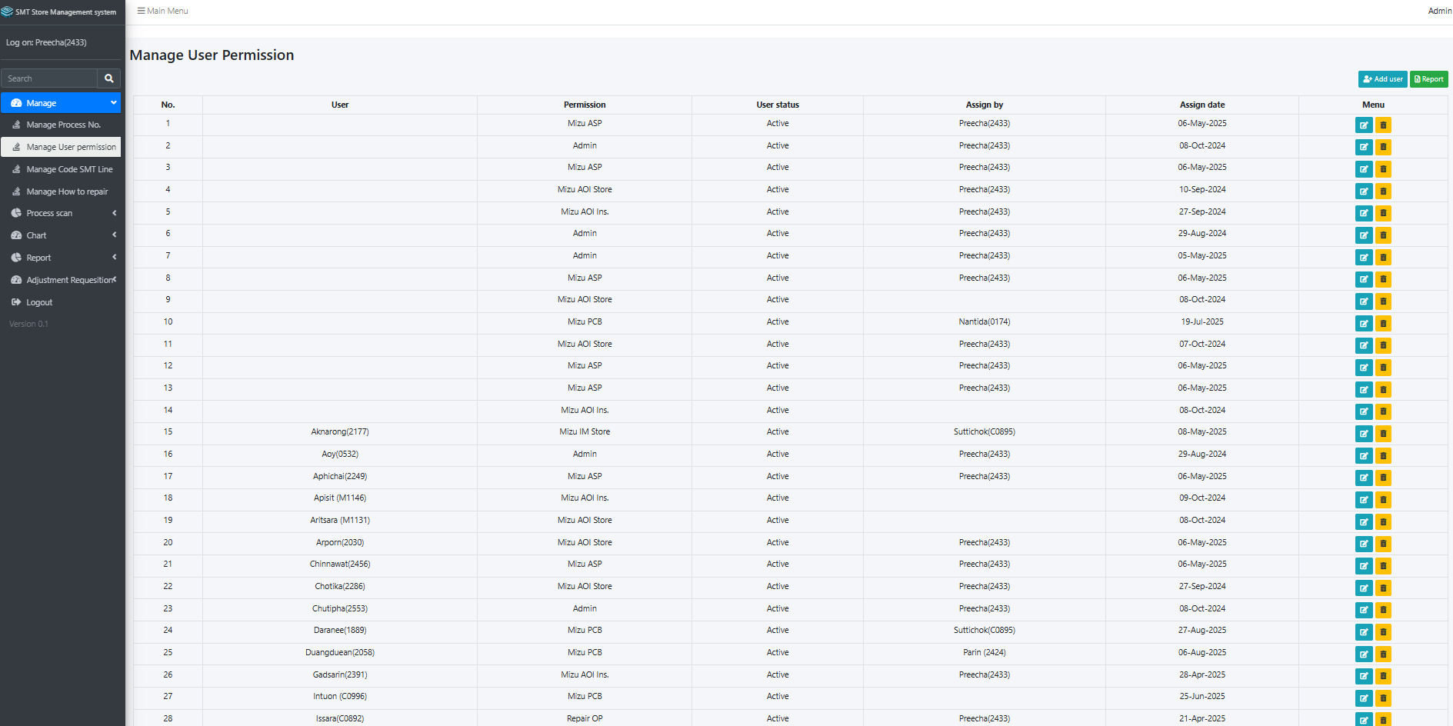

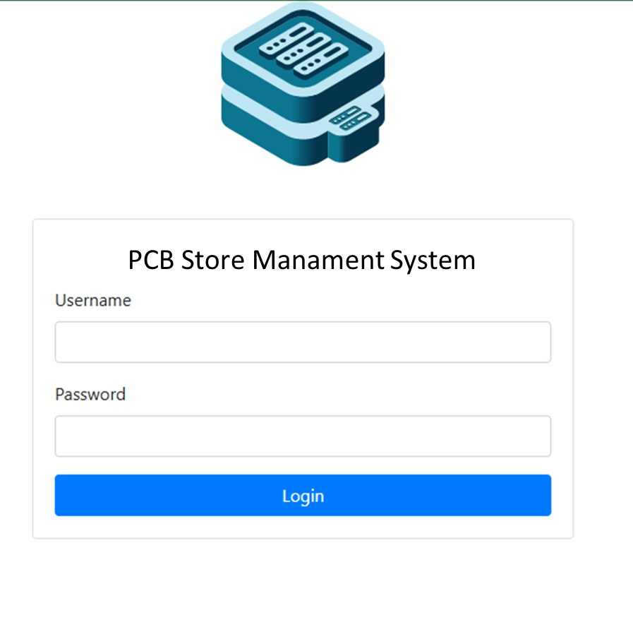

Follow as DATA base

System

PCB Store Management System
INPUT PCB Process
INPUT PCB FG Store
SCRAP

1

2

3

1. INPUT PCB Process
1

➤ OUTPUT_SMT = INPUT_ PCB

Example : Base on SMT Store Management System
Refer : SMT FG Store --> Output Ko-rack

PCB Store Management System
INPUT PCB Process
INPUT PCB FG Store
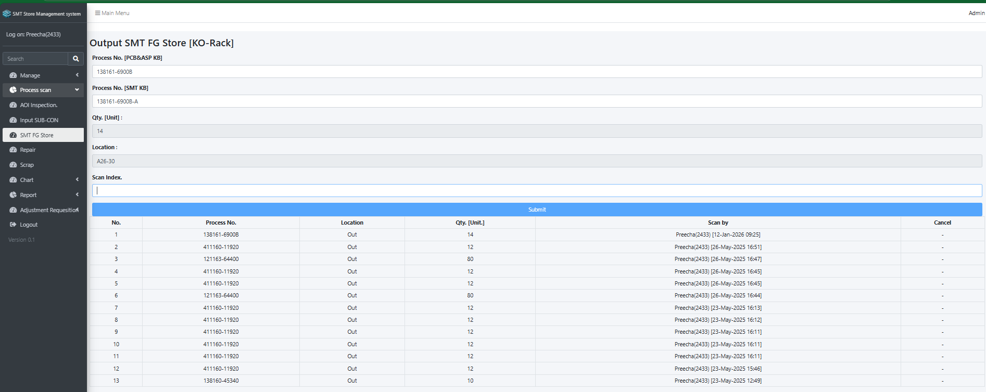

Process No [PCB KB]
1. Scan KANBAN PCB

1. Scan KANBAN SMT

1. Scan Index

QTY Unit --> INPUT PCB Store

1. INPUT PCB FG Store
ตัวอย่าง
1. KANBAN เต็ม
2
2. KANBAN เศษ

➤ Display
1. KANBAN เต็ม
2. KANBAN เศษ
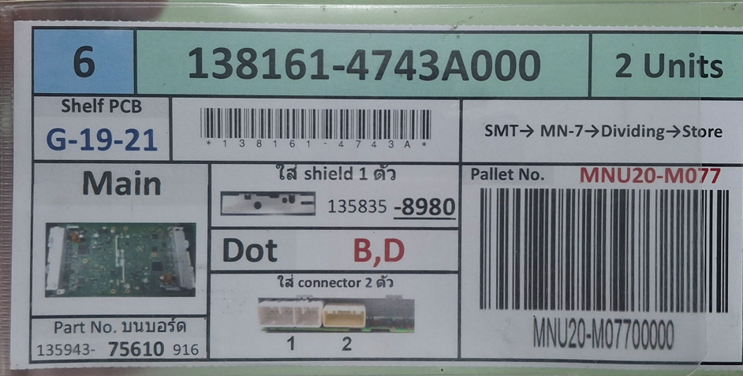
เศษ

INPUT PCB FG Store
Process No :
2
QTY :
Submit
138161-6900B
138161-6900B2
Scan Index :
A3
Location :
INPUT PCB FG Store
Process No :
1
QTY :
Submit
138161-6900B
138161-6900B2
Scan Index :
A3
Location :

138161-4743A
= 12 Digit
138161-4743A1
= 13 Digit

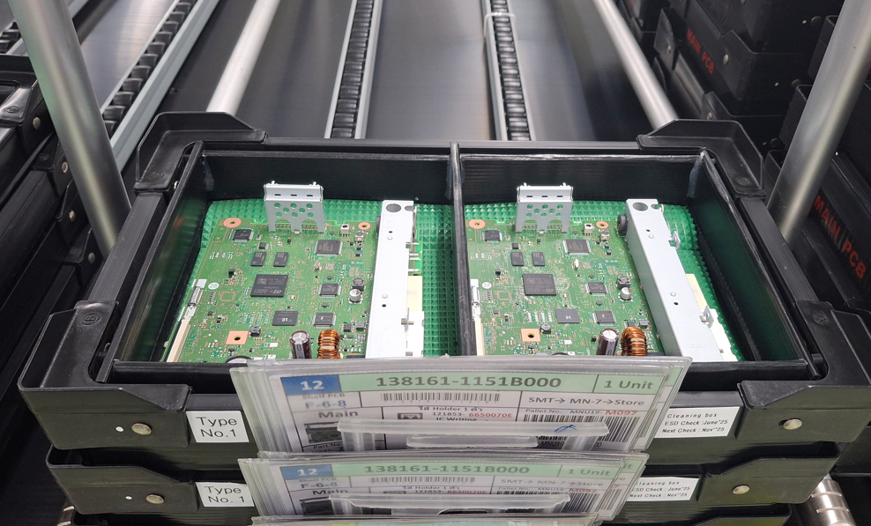
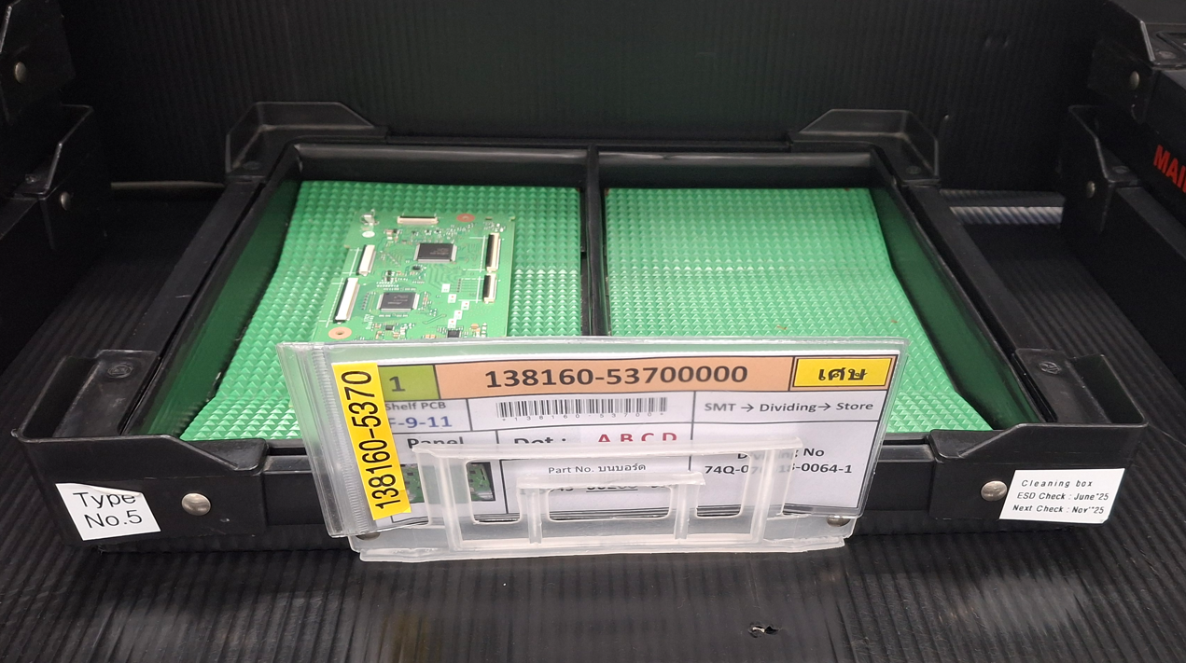

Details
1. Scan KANBAN
2. Auto unit from DATA base
3. Scan Index
4. Compare
4.1 (1,2) Match --> Auto submit
4.2 (1,2) Not Match --> System lock
Details
1. Scan KANBAN
2. Input unit
3. Scan Index
4. Compare
4.1 (1,2) Match --> Auto submit
4.2 (1,2) Not Match --> System lock

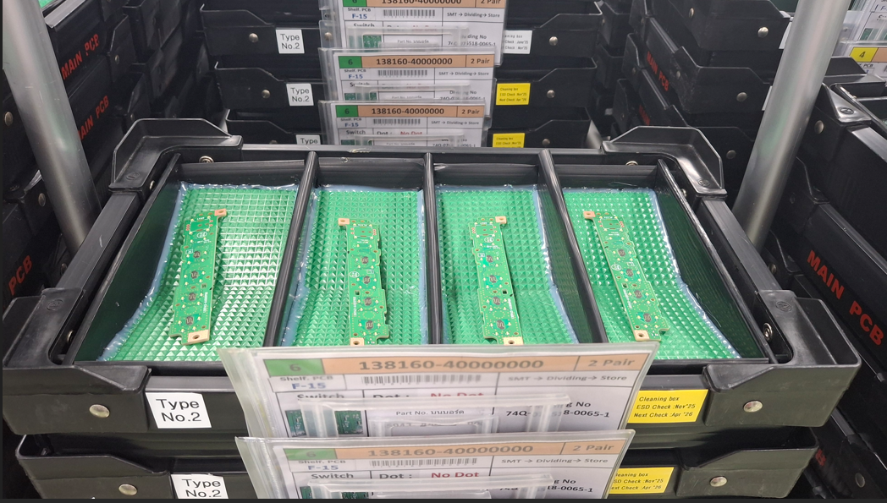

3. SCRAP
INPUT
3
1

1. Scan QR PCB board

2. Select defect name

3. Comment

4. Scan Index (Location)

2
INPUT
ตัวอย่าง : Concept เหมือน SMT crap -->

1. Scan QR PCB board

1
2

2. Auto submit

OUTPUT PCB FG Store --> ASP Process [Mizu Warehouse]

➤ Display
1. KANBAN เต็ม
2. KANBAN เศษ

OUTPUT PCB FG Store
Process No [PCB KB] :
Submit
Process No ASP :
QTY :
OUTPUT PCB FG Store
Process No [PCB KB] :
Submit
138161-6900B
Process No ASP :
138161-6900B
QTY :
2
OUTPUT PCB FG Store
Process No [PCB KB] :
Submit
138161-6900B
Process No ASP :
138161-6900B
QTY :
2

Details
1. Scan KANBAN
2. Auto unit from DATA base
3. Compare
3.1 (1,2) Match --> Auto submit
3.2 (1,2) Not Match --> System lock
Details
1. Scan KANBAN
2. Input unit
3. Compare
3.1 (1,2) Match --> Auto submit
3.2 (1,2) Not Match --> System lock

AOI Stock Inventory
6

handheld mobile
Refer
Search
Clear
Model :
Total Q'ty (unit) :
Details
AOI stock Inventory
1
Location
No
2
3
Refer
111160-3502A
Search
Clear
Main CMI-007TH
Model :
300
Total Q'ty (unit) :
Details
AOI stock Inventory
1
Location
No
2
3
Q'ty

Shelf A 20-30
150
100
50
Shelf B 25-28
Shelf C 30-33

*** Prod -->
1. AOI Inspection Result --> Realtime
2. AOI Inspection Ratio --> Realtime
Shift -->
DAY : 07:50-20:20
NIGHT : 20:20-07:50
PCB Store Management System
PC [COMPUTER]
Prod
Monitory
Search
Compare
AOI stock Inventory

AOI Inspection Result
Date : Dec 17'2023
Time : 09:00
Shift : DAY
INPUT AOI | 80
INPUT Store | 45
OUTPUT Store | 30
SMT Inspection Ratio
INPUT IM | 10
REPAIR | 10
SCRAP | 2

AOI Ins
IM Store
AOI Store
Repair OP
Repair Store
Scrap

*** ตาราง Update DATA --> Realtime
*** Search --> Process no --> history all [within 1 Month]
AOI stock Inventory
Prod
Monitory
Search
Compare
Search
Refer

Refer
111160-3502A
Search
Clear
Main CMI-007TH
Model :
300
Total Q'ty (unit) :
Details
AOI stock Inventory
1
Location
No
2
3
Q'ty
*** Search --> Process no --> Show detail [ Current]

Prod
Monitory
Search
Compare

Shelf A 20-30
150
100
50
Shelf B 25-28
Shelf C 30-33

AOI stock Inventory
*** Select mode
1. AOI Ins
2. AOI Store
3. IM Store
4. REPAIR Store
6. REPAIR OP
5. SCRAP
*** ถ้าไม่เลือก ให้ Show all --> Example
*** Compare ---> Compare
*** เลือก--> วัน-เดือน-ปี --> เวลา [ที่ต้องการแสดงข้อมูล]
*** Export data [Excel]
✓
✓

Prod
Monitory
Search
Compare

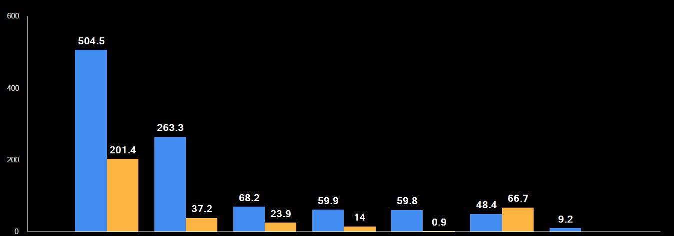

AOI Store
AOI Ins
IM Store
REPAIR Store
REPAIR OP
SCRAP

